Regression 1st Run
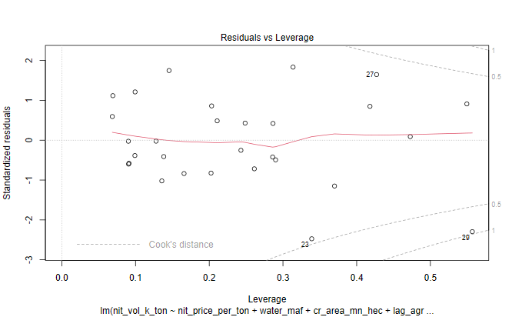
INDEPENDENT LINEAR REGRESSION VARIABLES - PARAMETERS |  |  |  |  |  |  | INDEPENDENT REGRESSION VARIABLES - PARAMETERS
6-VARIABLES |  |  |  |  |  |  | 8-VARIABLES
Table 2.1
 | N Price - X1 | Water - X2 | Cropped Acreage - X3 | Agric GDP - X4 | Agric Credit - X5 | Labour Prody - X6 |  | N Price - X1 | Water - X2 | Cropped Acreage - X3 | Agric GDP - X4 | Agric Credit - X5 | Labour Prody - X6 | Input to Output - X7 | N to P Price - X8
 | PKR / MT | MAF | Mn Ha | Bn USD | Mn PKR | PKR / Ha |  | PKR / MT | MAF | Mn Ha | Bn USD | Mn PKR | PKR / Ha | Ratio | Ratio
Linear Coeff | -0.014 | 16.25 | 103.37 | 75.40 | -0.000091 | 5.40 | Linear Coeff | -0.03 | 10.24 | 119.69 | 77.72 | 0.00006 | 10.04 | -1240.14 | -42.62
Log Linear Elasticity Coeff | -0.22 | 0.13 | 0.41 | 0.28 | 0.03 | 0.19 | Log Linear Elasticity Coeff | -0.25 | -0.06 | 0.33 | 0.27 | 0.04 | 0.19 | -0.07 | -0.03
T-stat | -2.76 | 1.19 | 1.12 | 3.73 | -0.26 | 1.99 | T-stat | -1.96 | 0.63 | 1.16 | 3.54 | 0.13 | 1.78 | -1.11 | -0.036
T-Prob | 0.01 | 0.25 | 0.27 | 0.001 | 0.80 | 0.06 | T-Prob | 0.06 | 0.53 | 0.26 | 0.002 | 0.90 | 0.1 | 0.28 | 0.97
Significant/Non Significant | Significant | Non Significant | Non Significant | Significant | Non Significant | Significant | Significant/Non Significant | Significant | Non Significant | Non Significant | Significant | Non Significant | Significant | Non Significant | Non Significant
Confidence Interval (%) | 99% |  |  | 99% |  | 90% | Confidence Interval (%) | 90% |  |  | 99% |  | 95%
F-Ratio | 135.93 | 8.24 | 15.60 | 29.43 | 3.68 | 3.96 | F-Ratio | 131.23 | 7.96 | 15.06 | 28.42 | 3.55 | 3.82 | 1.24 | 0.00
F-Prob | 0.00 | 0.01 | 0.00 | 0.00 | 0.07 | 0.06 | F-Prob | 0.00 | 0.01 | 0.00 | 0.00 | 0.07 | 0.06 | 0.28 | 0.97
Significant/Non Significant | Significant | Significant | Significant | Significant | Significant | Significant | Significant/Non Significant | Significant | Significant | Significant | Significant | Significant | Significant | Non Significant | Non Significant
Confidence Interval (%) | 99% | 99% | 99% | 99% | 90% | 90% | Confidence Interval (%) | 99% | 99% | 99% | 99% | 90% | 90%
Median | 25260.9 | 133.8 | 23.0 | 16.6 | 211561.0 | 45.8 | Median | 25260.87 | 133.78 | 23.01 | 16.65 | 211561.00 | 45.75 | 0.97 | 0.38
Standard Deviation (SD) | 28627.4 | 4.3 | 0.7 | 7.9 | 441331.5 | 65.5 | Standard Deviation (SD) | 28627.37 | 4.35 | 0.67 | 7.85 | 441331.53 | 65.45 | 0.16 | 0.08

R2 of Function | 0.90 |  |  |  |  |  | R2 of Function | 0.91
DW Watson Test | Autocorrelation | Statistic | P-value | Conclusion
 | -0.18 | 2.24 | 0.79 | Weak Negative AC
White Test |  | 3.95 | 0.14 | Errors are homoscedastic
Shapiro Test |  | 0.98 | 0.84 | Errors distributed normally

INDEPENDENT REGRESSION LOG VARIABLES - PARAMETERS |  |  |  |  |  |  | INDEPENDENT REGRESSION LOG VARIABLES - PARAMETERS
6-VARIABLES |  |  |  |  |  |  | 8-VARIABLES

 | N Price - X1 | Water - X2 | Cropped Acreage - X3 | Agric GDP - X4 | Agric Credit - X5 | Labour Prody - X6 |  | N Price - X1 | Water - X2 | Cropped Acreage - X3 | Agric GDP - X4 | Agric Credit - X5 | Labour Prody - X6 | Input to Output - X7 | N to P Price - X8
 | PKR / MT | MAF | Mn Ha | Bn USD | Mn PKR | PKR / Ha |  | PKR / MT | MAF | Mn Ha | Bn USD | Mn PKR | PKR / Ha | Ratio | Ratio
Log Linear Elasticity Coeff | -0.22 | 0.13 | 0.41 | 0.28 | 0.03 | 0.19 | Log Linear Elasticity Coeff | -0.25 | -0.06 | 0.33 | 0.27 | 0.04 | 0.19 | -0.07 | -0.03
T-stat | -2.93 | 0.27 | 0.58 | 1.86 | 0.52 | 2.47 | T-stat | -1.82 | -0.09 | 0.41 | 1.64 | 0.63 | 1.88 | -0.36 | -0.34
T-Prob | 0.01 | 0.79 | 0.57 | 0.08 | 0.61 | 0.02 | T-Prob | 0.08 | 0.93 | 0.68 | 0.12 | 0.53 | 0.07 | 0.72 | 0.74
Significant/Non Significant | Significant | Non Significant | Non Significant | Significant | Non Significant | Significant | Significant/Non Significant | Significant | Non Significant | Non Significant | Non Significant | Non Significant | Significant | Non Significant | Non Significant
Confidence Interval (%) | 99% |  |  | 90% |  | 95% | Confidence Interval (%) | 90% |  |  |  |  | 90%
F-Ratio | 270.23 | 7.87 | 11.51 | 26.26 | 9.39 | 6.09 | F-Ratio | 247.72 | 7.21 | 10.55 | 24.07 | 8.61 | 5.58 | 0.05 | 0.12
F-Prob | 7.67E-14 | 1.03E-02 | 2.62E-03 | 3.90E-05 | 5.68E-03 | 2.19E-02 | F-Prob | 0.00 | 0.01 | 0.0040 | 8.52E-05 | 0.01 | 0.03 | 0.82 | 0.74
Significant/Non Significant | Significant | Significant | Significant | Significant | Significant | Significant | Significant/Non Significant | Significant | Significant | Significant | Significant | Significant | Significant | Non Significant | Non Significant
Confidence Interval (%) | 99% | 99% | 99% | 99% | 99% | 99% | Confidence Interval (%) | 99% | 99% | 99% | 99% | 99% | 95%
Durbin Watson Coeff |  |  |  |  |  |  | Durbin Watson Coeff
White Test Coeff |  |  |  |  |  |  | White Test Coeff
Median | 10.14 | 4.90 | 3.14 | 2.81 | 12.26 | 3.82 | Median | 10.14 | 4.90 | 3.14 | 2.81 | 12.26 | 3.82 | -0.03 | -0.98
Standard Deviation (SD) | 0.77 | 0.03 | 0.03 | 0.48 | 1.43 | 1.10 | Standard Deviation (SD) | 0.77 | 0.03 | 0.03 | 0.48 | 1.43 | 1.10 | 0.18 | 0.27

R2 of Function | 0.94 |  |  |  |  |  | R2 of Function | 0.94

INDEPENDENT REGRESSION LIN LOG VARIABLES - PARAMETERS |  |  |  |  |  |  | INDEPENDENT REGRESSION LIN LOG VARIABLES - PARAMETERS
6-VARIABLES |  |  |  |  |  |  | 8-VARIABLES

 | N Price - X1 | Water - X2 | Cropped Acreage - X3 | Agric GDP - X4 | Agric Credit - X5 | Labour Prody - X6 |  | N Price - X1 | Water - X2 | Cropped Acreage - X3 | Agric GDP - X4 | Agric Credit - X5 | Labour Prody - X6 | Input to Output - X7 | N to P Price - X8
 | PKR / MT | MAF | Mn Ha | Bn USD | Mn PKR | PKR / Ha |  | PKR / MT | MAF | Mn Ha | Bn USD | Mn PKR | PKR / Ha | Ratio | Ratio
Lin Log Elasticity Coeff | -618.80 | -858.10 | 586.20 | 732.30 | 114.20 | 496.70 | Lin Log Elasticity Coeff | -398.00 | -435.80 | -166.40 | 689.50 | 133.50 | 337.80 | 213.50 | -133.20
T-stat | -2.91 | -0.64 | 0.30 | 1.73 | 0.73 | 2.29 | T-stat | -1.05 | -0.22 | -0.07 | 1.54 | 0.69 | 1.19 | 0.41 | -0.52
T-Prob | 0.01 | 0.53 | 0.77 | 0.10 | 0.48 | 0.03 | T-Prob | 0.31 | 0.83 | 0.94 | 0.14 | 0.50 | 0.25 | 0.69 | 0.61
Significant/Non Significant | Significant | Non Significant | Non Significant | Significant | Non Significant | Significant | Significant/Non Significant | Non Significant | Non Significant | Non Significant | Non Significant | Non Significant | Non Significant | Non Significant | Non Significant
Confidence Interval (%) | 99% |  |  | 90% |  | 95% | Confidence Interval (%)
F-Ratio | 237.52 | 2.33 | 9.85 | 25.00 | 10.15 | 5.24 | F-Ratio | 224.92 | 2.21 | 9.33 | 23.67 | 9.61 | 4.96 | 0.56 | 0.27
F-Prob | 2.846E-13 | 0.14 | 0.0048 | 5.27E-05 | 0.0043 | 0.032 | F-Prob | 2.415E-12 | 0.15 | 0.01 | 9.38E-05 | 0.01 | 0.04 | 0.46 | 0.61
Significant/Non Significant | Significant | Non Significant | Significant | Significant | Significant | Significant | Significant/Non Significant | Significant | Non Significant | Significant | Significant | Significant | Significant | Non Significant | Non Significant
Confidence Interval (%) | 99% |  | 99% | 99% | 99% | 95% | Confidence Interval (%) | 99% |  | 99% | 99% | 99% | 95%
Durbin Watson Coeff |  |  |  |  |  |  | Durbin Watson Coeff
White Test Coeff |  |  |  |  |  |  | White Test Coeff
Median | 10.14 | 4.90 | 3.14 | 2.81 | 12.26 | 3.82 | Median | 10.14 | 4.90 | 3.14 | 2.81 | 12.26 | 3.82 | -0.03 | -0.98
Standard Deviation (SD) | 0.77 | 0.03 | 0.03 | 0.48 | 1.43 | 1.10 | Standard Deviation (SD) | 0.77 | 0.03 | 0.03 | 0.48 | 1.43 | 1.10 | 0.18 | 0.27

R2 of Function | 0.93 |  |  |  |  |  | R2 of Function

INDEPENDENT LINEAR REGRESSION MODEL DIAGONISTICS

Plot 2.1: Actual Vs Fitted Values

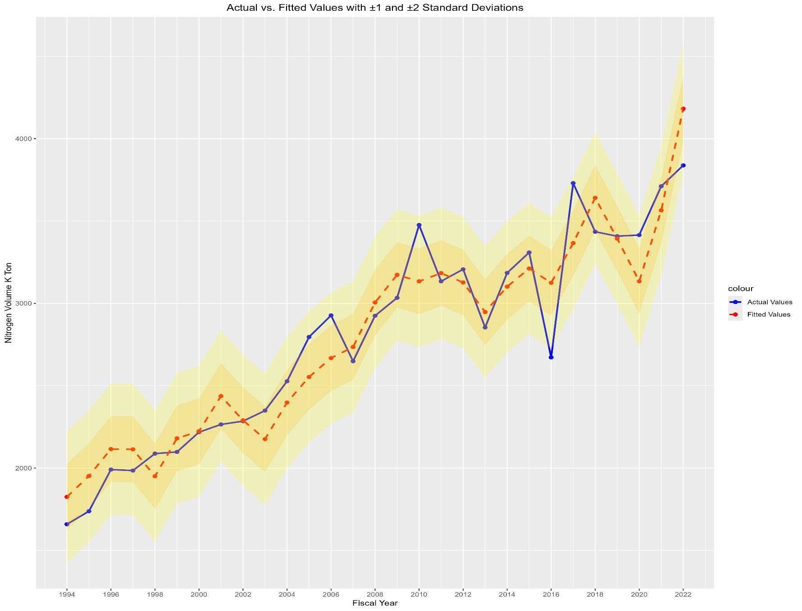

Plot 2.2: Residual Over time
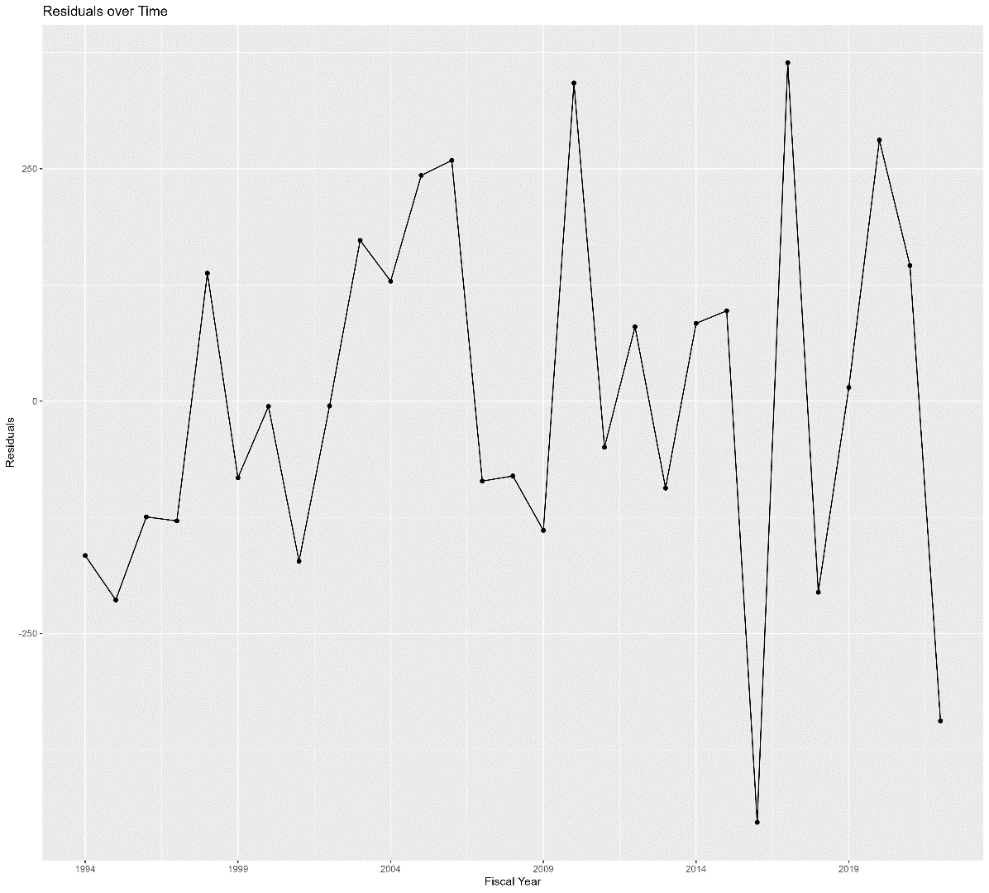

Plot 2.3: Residual QQ Plot

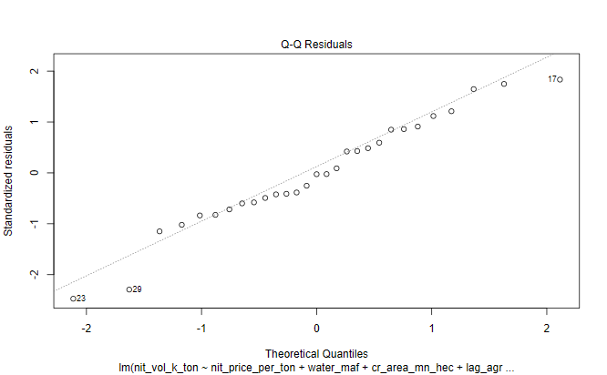

Plot 2.4: Histogram of Residuals

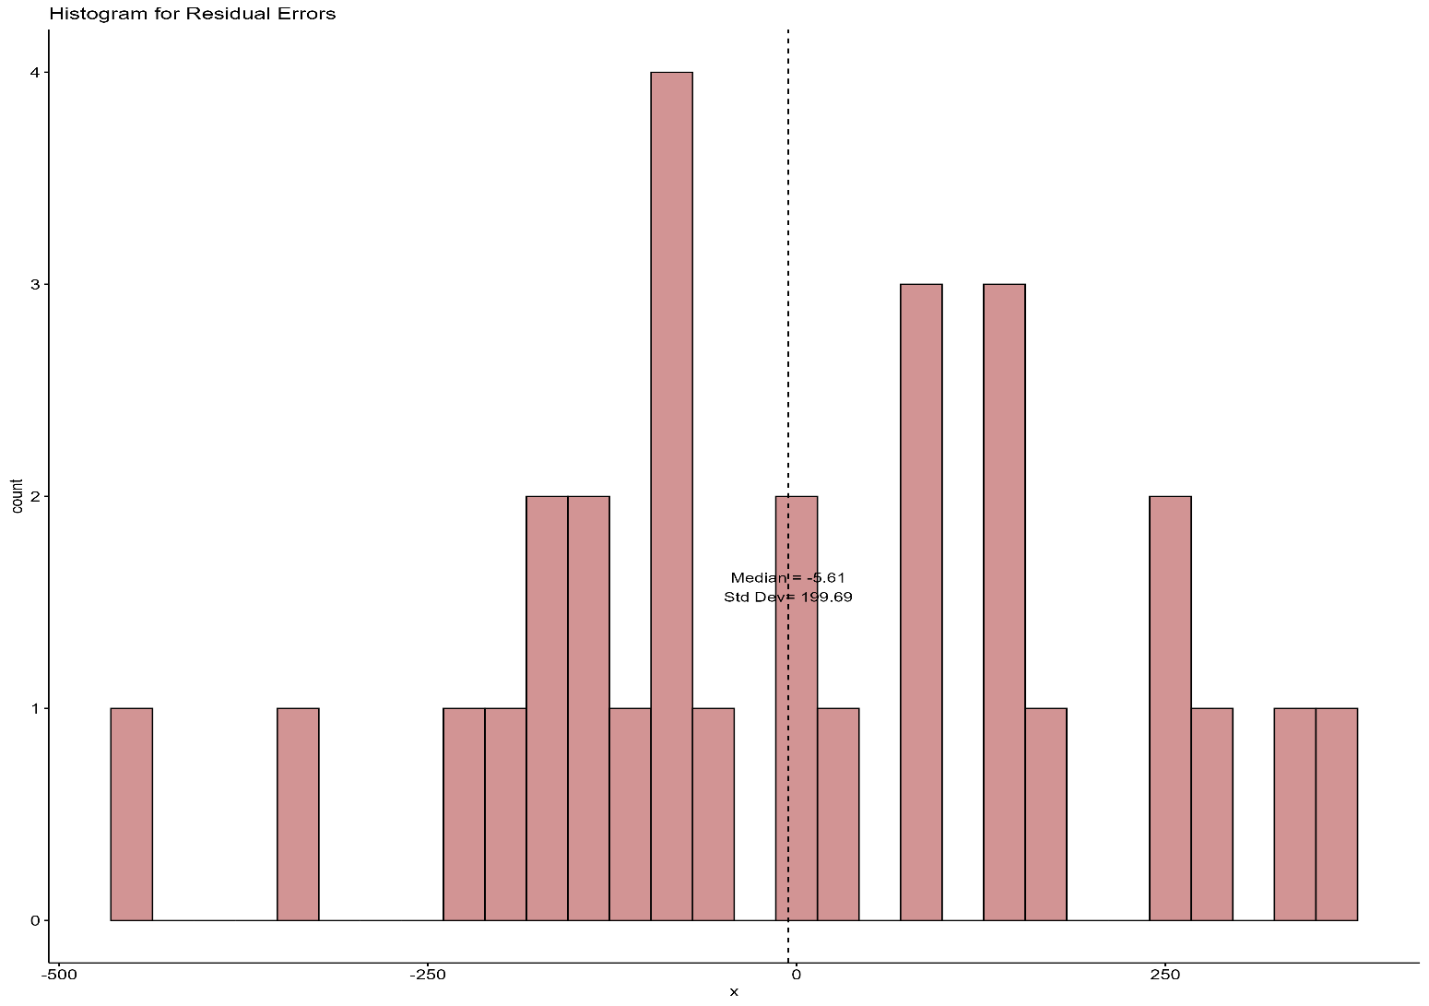

Plot 2.5: ACF Plot of Residuals

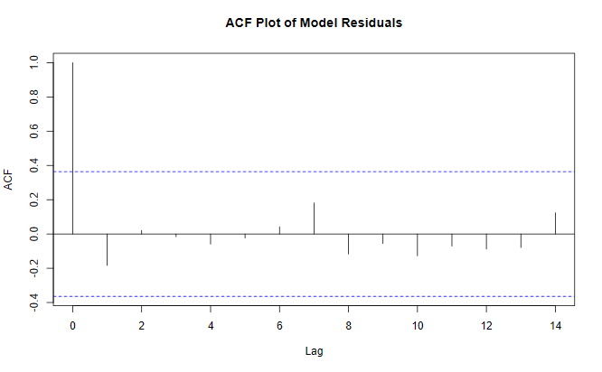

Plot 2.6: Residuals Vs Fitted Values

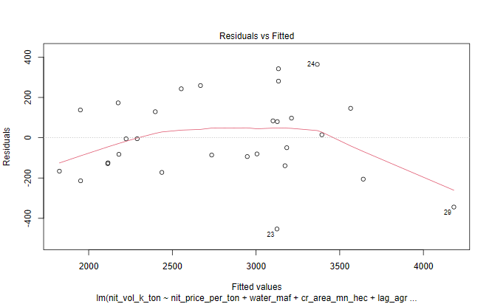

Plot 2.7: Scale Location Plot of Standardized Residuals

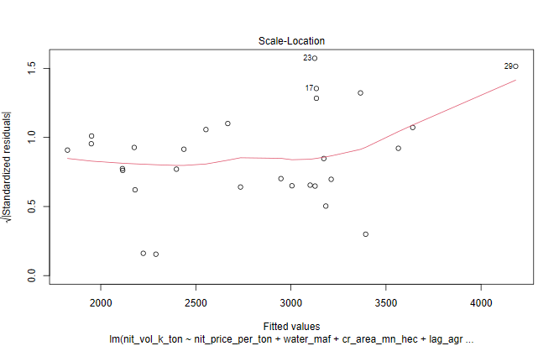

Plot 2.8: Cook's Distance Plot

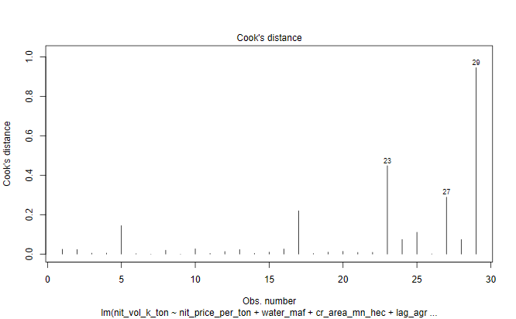

Plot 2.9: Residual Vs Leverage Plot

best-fit-line
 |  |  |  |  |  |  |  |  | predicted_mean | 2789.9310345
Fiscal_Year | Residuals | Predicted_Values | Std_Predicted | 1_std_dev_plus | 1_std_dev_minus | 2_std_dev_plus | 2_std_dev_minus | Historic_Values
1994 | -166.04895455 | 1825.0489545 | 586.93468084 | 3376.8657153 | 2202.9963536 | 3963.8003962 | 1616.0616728 | 1659
1995 | -213.85373122 | 1951.8537312 | 567.76598334 | 3357.6970178 | 2222.1650511 | 3925.4630012 | 1654.3990678 | 1738
1996 | -124.51978726 | 2115.5197873 | 552.31872724 | 3342.2497617 | 2237.6123072 | 3894.568489 | 1685.29358 | 1991
1997 | -128.81462663 | 2113.8146266 | 542.99820207 | 3332.9292366 | 2246.9328324 | 3875.9274386 | 1703.9346303 | 1985
1998 | 137.68380826 | 1950.3161917 | 530.92986829 | 3320.8609028 | 2259.0011662 | 3851.7907711 | 1728.0712979 | 2088
1999 | -82.442202994 | 2180.442203 | 503.14096705 | 3293.0720015 | 2286.7900674 | 3796.2129686 | 1783.6491004 | 2098
2000 | -5.609841636 | 2223.6098416 | 486.66907109 | 3276.6001056 | 2303.2619634 | 3763.2691767 | 1816.5928923 | 2218
2001 | -172.15601378 | 2437.1560138 | 468.7194491 | 3258.6504836 | 2321.2115854 | 3727.3699327 | 1852.4921363 | 2265
2002 | -5.0597972751 | 2290.0597973 | 461.44103024 | 3251.3720647 | 2328.4900042 | 3712.813095 | 1867.048974 | 2285
2003 | 172.96307334 | 2176.0369267 | 439.34686342 | 3229.2778979 | 2350.5841711 | 3668.6247613 | 1911.2373076 | 2349
2004 | 129.01156181 | 2397.9884382 | 395.98496512 | 3185.9159996 | 2393.9460694 | 3581.9009647 | 1997.9611042 | 2527
2005 | 242.78607151 | 2553.2139285 | 365.10390109 | 3155.0349356 | 2424.8271334 | 3520.1388367 | 2059.7232323 | 2796
2006 | 258.94626172 | 2668.0537383 | 341.53557549 | 3131.46661 | 2448.395459 | 3473.0021855 | 2106.8598835 | 2927
2007 | -85.997089669 | 2734.9970897 | 322.34929448 | 3112.280329 | 2467.58174 | 3434.6296235 | 2145.2324455 | 2649
2008 | -80.47028427 | 3005.4702843 | 303.08676446 | 3093.0177989 | 2486.84427 | 3396.1045634 | 2183.7575056 | 2925
2009 | -139.03513409 | 3173.0351341 | 303.97487336 | 3093.9059078 | 2485.9561611 | 3397.8807812 | 2181.9812878 | 3034
2010 | 342.1818112 | 3133.8181888 | 313.1185498 | 3103.0495843 | 2476.8124847 | 3416.1681341 | 2163.6939349 | 3476
2011 | -49.637121126 | 3183.6371211 | 321.26093685 | 3111.1919713 | 2468.6700976 | 3432.4529082 | 2147.4091608 | 3134
2012 | 79.943843468 | 3127.0561565 | 332.30103395 | 3122.2320684 | 2457.6300005 | 3454.5331024 | 2125.3289666 | 3207
2013 | -93.569900902 | 2947.5699009 | 340.94882235 | 3130.8798568 | 2448.9822121 | 3471.8286792 | 2108.0333898 | 2854
2014 | 83.734318908 | 3101.2656811 | 327.83532406 | 3117.7663585 | 2462.0957104 | 3445.6016826 | 2134.2603864 | 3185
2015 | 97.204607764 | 3211.7953922 | 327.44826949 | 3117.379304 | 2462.482765 | 3444.8275735 | 2135.0344955 | 3309
2016 | -453.06815655 | 3125.0681565 | 336.30306689 | 3126.2341014 | 2453.6279676 | 3462.5371683 | 2117.3249007 | 2672
2017 | 364.02797252 | 3365.9720275 | 326.39542937 | 3116.3264638 | 2463.5356051 | 3442.7218932 | 2137.1401758 | 3730
2018 | -205.55696673 | 3640.5569667 | 346.39237505 | 3136.3234095 | 2443.5386594 | 3482.7157846 | 2097.1462844 | 3435
2019 | 14.703881622 | 3393.2961184 | 385.9414319 | 3175.8724664 | 2403.9896026 | 3561.8138983 | 2018.0481707 | 3408
2020 | 280.81013809 | 3134.1898619 | 430.03852503 | 3219.9695595 | 2359.8925095 | 3650.0080845 | 1929.8539844 | 3415
2021 | 145.91369647 | 3565.0863035 | 308.49256723 | 3098.4236017 | 2481.4384672 | 3406.916169 | 2172.9459 | 3711
2022 | -344.071438 | 4182.071438 | 0 | 2789.9310345 | 2789.9310345 | 2789.9310345 | 2789.9310345 | 3838

